1. Title Page
Project Name: Basket Analysis
Date: June 16, 2023
Analyst Name: Gonçalo Gomes

Contents: click on link
Population Flow
Consistency checks
Wrangling steps
Column derivations
Visualizations
Recommendations

Data Citation:
All customer data was made up for the purpose of this project.
"The Instacart Online Grocery Shopping Dataset 2017", Accessed from http://www.instacart.com/datasets/grocery-shopping-2017

2. Population Flow
Title page

Population flow

Exclusion flag:
Condition: max_order < 5
Obervations to be removed: 1440295 observations
Final total count of order_products_all: 30964564 rows

4.6_orders_products_combined
Total: 32434489
4.6_mrg_part2
4.9_part1B

Total: 32404859
Total: 32404859

1.) The initial data sets, represented by grey boxes in the first row, reflect the downloaded data in its original state. In the "Total" fields, you should include the count of rows when the data sets were imported into Jupyter.
2.) The colored boxes in the second row represent the data sets after undergoing manipulations such as removing missing values and duplicates. In the "Total" fields, you should include the count of rows after performing these operations. This provides a visual overview of how the data flows during the data consistency checks.
3.) The third row, also with colored arrows, represents the merges performed between the data sets. In the "Total" fields, you should include the count of rows in the merged data sets to obtain the final dataset (shown in the red box). It's important to note that the final dataset should exclude any records based on the exclusion flag.

3. Consistency checks
 |  |  |  | Title page
Consistency checks

Dataset | Missing values | Missing values treatment | Duplicates
4.3_orders | 206209 missing values in 'days_since_prior_order' | No action was taken regarding the null values in the dataset, as they indicate the customer's first order placed with Instacart. | No duplicates discovered
4.3_products | 16 missing values in 'product_name' | Dropping the rows with missing values | 5 duplicate rows dropped
4.3_products | During Task 4.9, it was discovered that the "prices" column contained several unrealistically high values, specifically either $14,900 or $99,999. | Steps are detailed in notebook task 4.9, I replaced these 5127 prices with NaN.
4.6_orders_products_prior | No missing values |  | No duplicates discovered
4.9_customers | No missing values |  | No duplicates discovered

4. Wrangling steps
 |  |  |  |  | Title page
Wrangling steps

Columns dropped | Data imputation | Columns renamed | Columns' type changed | Comment/Reason
df_ords.drop(columns = ['eval_set']) |  |  |  | column unneccesary for analysis
 |  | df_ords.rename(columns = {'order_dow' : 'orders_day_of_week'}, inplace = True) |  | to make column easier to understand
 |  |  | df_ords['order_id'] = df_ords['order_id'].astype('str') | to reduce cost when running describe function
 |  |  | df_ords['user_id'] = df_ords['user_id'].astype('str') | to reduce cost when running describe function
 |  | df_cust.rename(columns = {'First Name':'first_name'} |  | for consistency use snake script and lower case
 |  | 'Surnam':'surname'
 |  | 'Gender':'gender'
 |  | 'STATE':'state'
 |  | 'Age':'age'
'first_name' |  |  |  | data privacy
'surname' |  |  |  | data privacy
 | 'prices' |  |  | prices above $100 were changed to null, condition applied: loc[ords_prods_merge['prices'] >100, 'prices'] = np.nan

5. Column derivations
 |  |  |  | Title page

Column derivations and aggregations

Dataset | New column | Column/s it was derived from | Conditions |  | Column name | Frequencies of conditions
4.6_mrg_part2 | busiest_day' | 'orders_day_of_week' | Busiest day' == 0 "Least busy" == 4 "Regularly busy" else |  | busiest_day' | Regularly busy 22416875 Busiest day 6204182 Least busy 3783802
4.6_mrg_part2 | price_range_loc' | 'prices' | Low-range product' <= 5 'Mid-range product' > 5 and <= 15 'High range' else |  | price_range_loc' | Mid-range 21860860 Low-range 10126321 High-range 417678
4.6_mrg_part2 | 'busiest_period_of_day' | 'order_hour_of_day | Most orders' >= 10 and value <= 15 'Fewest orders' >= 0 and value <= 5 'Average orders' else |  | 'busiest_period_of_day' | Average orders 21177765 Most orders 10630766 Fewest orders 596328
4.6_mrg_part2 | 'busiest_days' | orders_days_of_week | Busiest days == 0 or == 1 "Least busy days" == 4 or ==3 "Regularly busy" else |  | 'busiest_days' | Regularly busy 12916111 Busiest days 11864412 Least busy days 7624336
4.6_mrg_part2 | 'max_order' | user_id', 'order_number' | groupby(['user_id'])['order_number'].transform(np.max) |  | max_order' | MIN 1 MAX 99 MEAN 33
4.6_mrg_part2 | 'loyalty_flag' | 'max_order' | Loyal customer' > 40 'Regular customer' <= 40 and > 10 'New customer' <= 10 |  | 'loyalty_flag' | Regular customer 15876776 Loyal customer 10284093 New customer 6243990
4.6_mrg_part2 | 'avg_price' | user_id', 'prices' | groupby(['user_id'])['prices'].transform(np.average) |  | 'avg_price' | MIN 1 MAX 25 MEAN 1.20
4.6_mrg_part2 | 'spending_flag' | 'avg_price' | loc[df['avg_price'] < 10, 'spending_flag'] = 'Low spender' loc[df['avg_price'] >= 10, 'spending_flag'] = 'High spender' |  | 'spending_flag' | Low spender 31770646 High spender 634213
4.6_mrg_part2 | 'median_dspo' | user_id', 'days_since_prior_order' | groupby(['user_id'])['days_since_prior_order'].transform(np.median) |  | 'median_dspo' | MIN 0 MAX 30 MEAN 10
4.6_mrg_part2 | 'frequency_flag' | 'median_dspo' | Non-frequent customer' > 20 'Regular customer' <= 20 and >= 10 'Frequent customer' <= 10 |  | 'frequency_flag' | Frequent customer 21559853 Regular customer 7208564 Non-frequent customer 3636437
4.9_part1B | 'region' | 'state' | Northeast' = 'Maine','New Hampshire', 'Vermont', 'Massachusetts','Rhode Island','Connecticut','New York','Pennsylvania','New Jersey' 'Midwest' = 'Wisconsin','Michigan','Illinois','Indiana','Ohio','North Dakota','South Dakota','Nebraska','Kansas','Minnesota','Iowa','Missouri' 'South' = 'Delaware','Maryland','District of Columbia','Virginia','West Virginia','North Carolina','South Carolina','Georgia','Florida','Kentucky','Tennessee','Mississippi',' Alabama','Oklahoma','Texas','Arkansas','Louisiana' 'West' = else |  | 'region' | South 10791885 West 8292913 Midwest 7597325 Northeast 5722736
4.9_part1B | 'age_group' | age' | Less than 30' < 30 '30-39 years' >= 30 and value < 40 '40-49 years' >= 40 and value < 50 '50-59 years' >= 50 and value < 60 '60-69 years' >= 60 and value < 70 '70+ years' else |  | age' | Less than 30 6090441 40-49 years 5109237 30-39 years 5073751 50-59 years 5064175 60-69 years 4987264 70+ years 6079991
4.9_part1B | 'wealth_status' | 'income' | based on statistical quartiles: 'lower' <= 6.677000e+04 'lower-middle' > 6.677000e+04 and value <= 9.630400e+04 'upper-middle' > 9.630400e+04 and value <= 1.267640e+05 'upper' else |  | 'wealth_status' | upper 8312697 lower-middle 8030833 lower 8030749 upper-middle 8030580
4.9_part1B | 'lifestyle' | 'n_dependents' | independent' == 0 'caregiver' != 0 |  | 'lifestyle' | caregiver 24307356 independent 8097503
4.9_part1B | 'meat_purchase' | 'department_id' | where the 'department_id' == 12, user_id = 'meat_consumer' all other user_id's = 'meatless_consumer' |  | 'meat_purchase' | meat_consumer 23762619 meatless_consumer 8642240
4.9_part1B | 'order_activity_flag' | 'max_order' | Low order activity customer' < 5 'High order activity customer' >= 5 |  | 'order_activity_flag' | High order activity customer 30964564 Low order activity customer 1440295

6. Visualizations
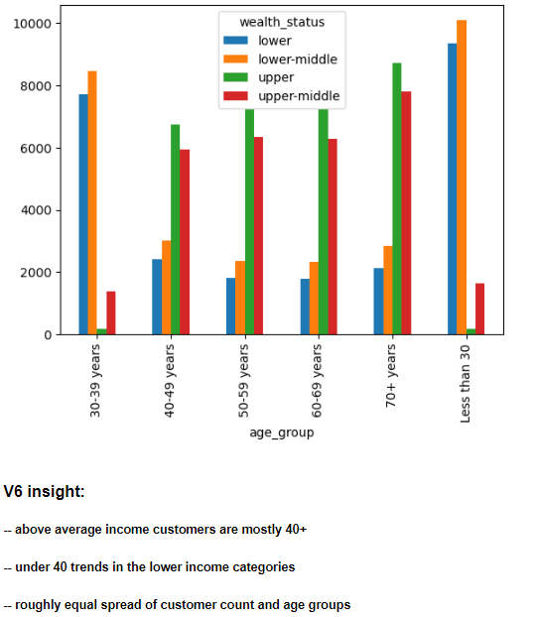
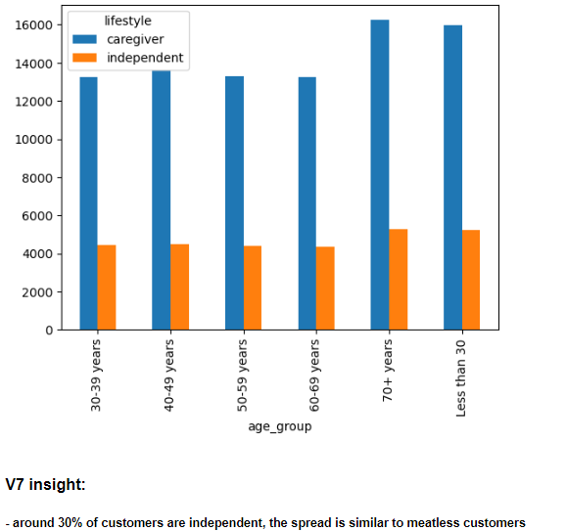
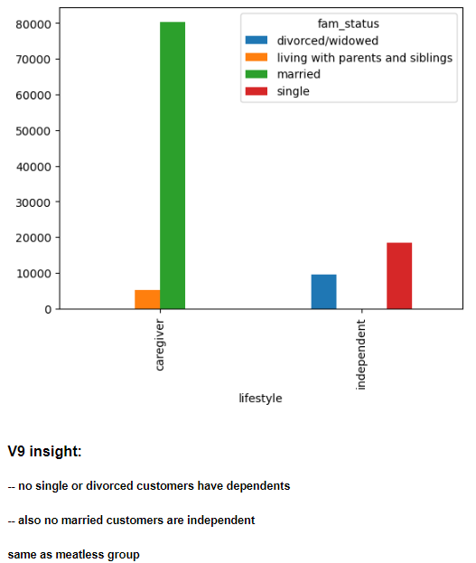
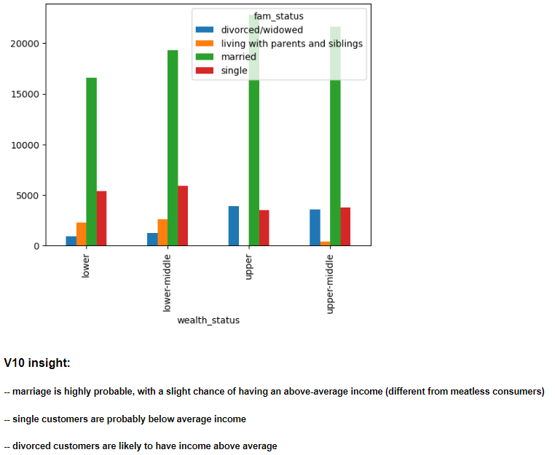
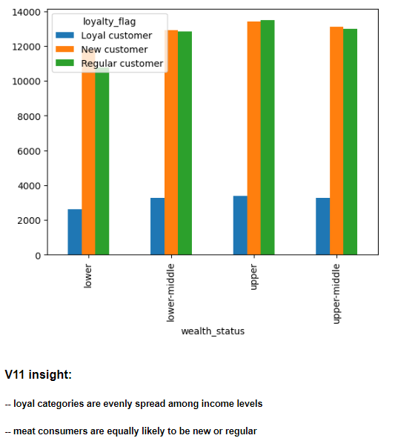
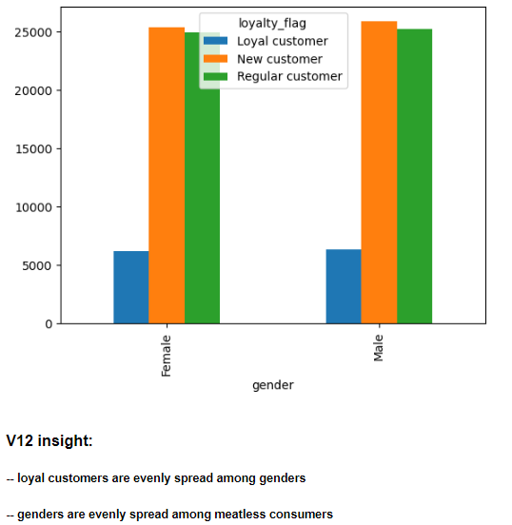
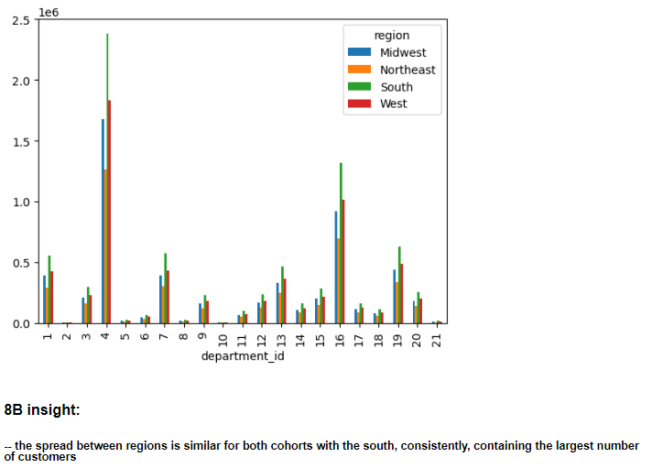
 |  |  |  |  | Title page

Visualisations

In this tab you should include all the visualtions from Exercises 4.9 and 4.10, alongside the questions from the project brief that they answer. Include any commentary on the relationship between different variables.

Charts were generated to visualize the variables during the cleaning and exploratory data analysis process.
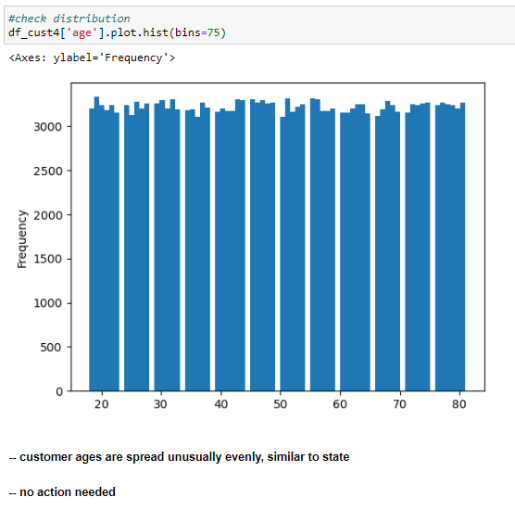
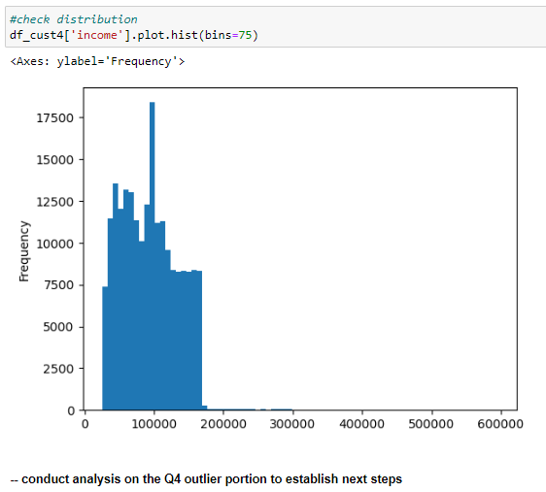
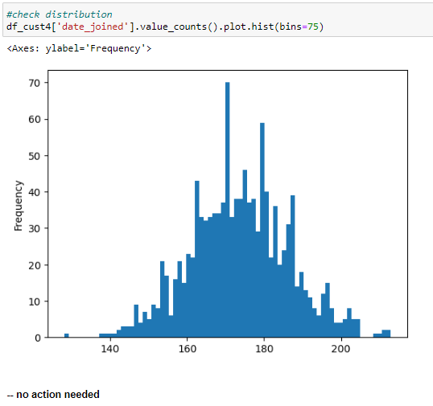
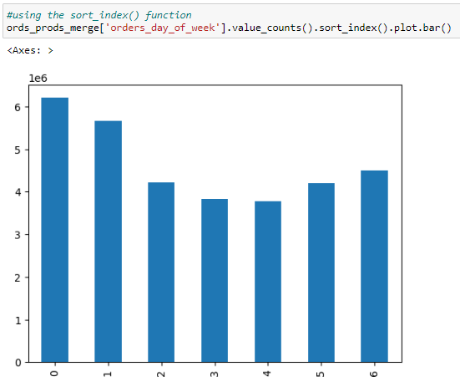
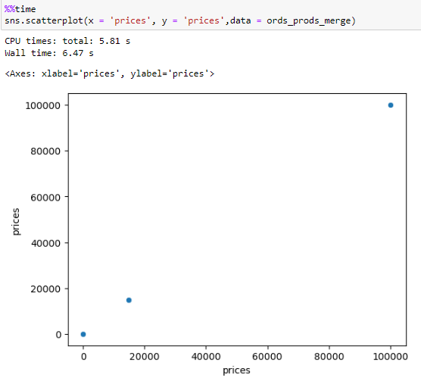

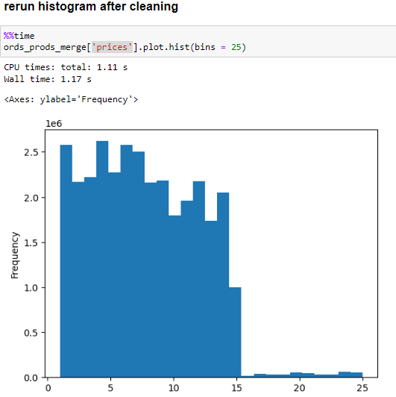
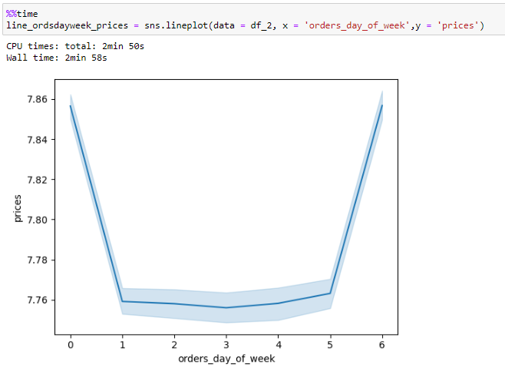

3-

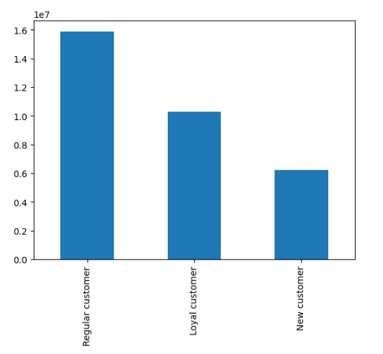
4-

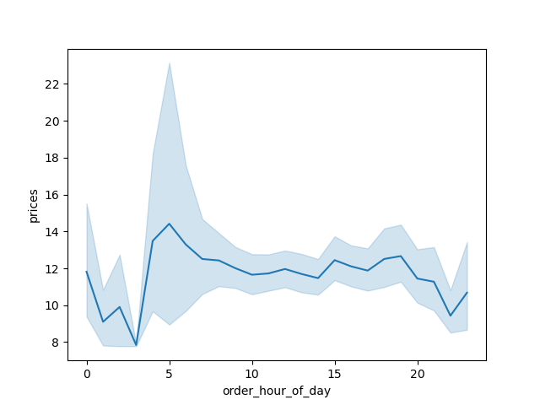
5-

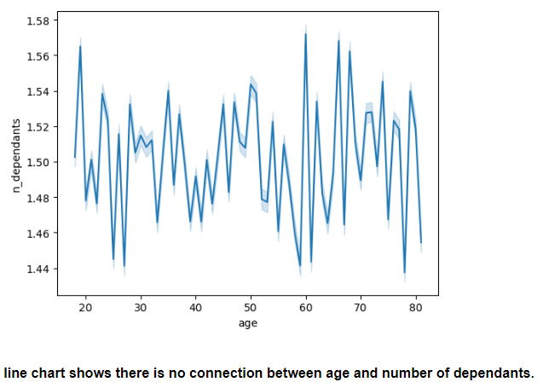
6-

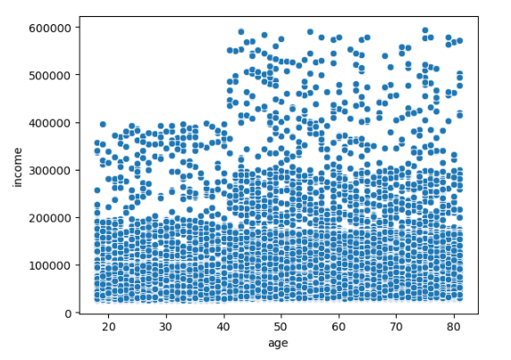
7-

3B- Analysis of regional spending habits
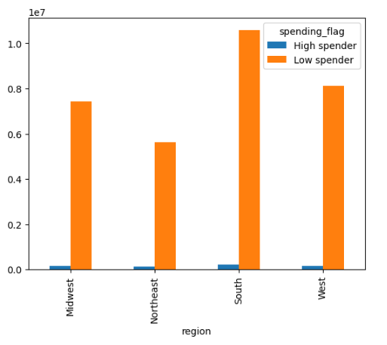

5A- correlation between variables

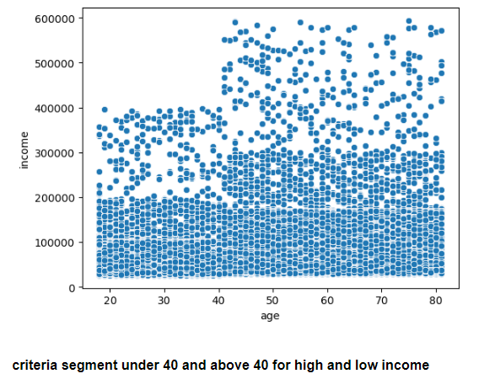
age and income |  |  |  | age and dependents |  |  | dependants and income
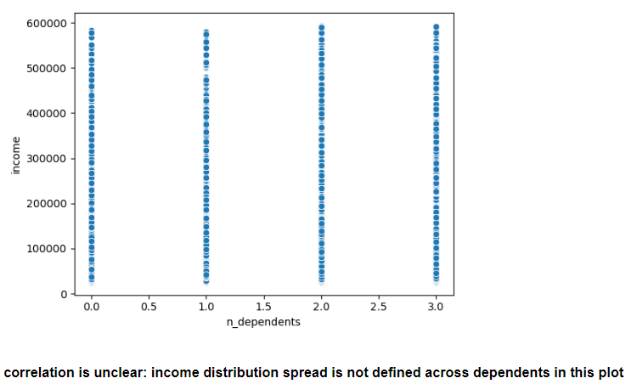

5B- additional exploration for each variables

age |  |  | income |  |  | dependants |  |  | department id
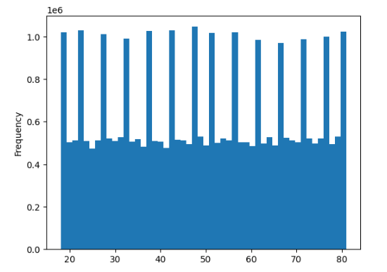
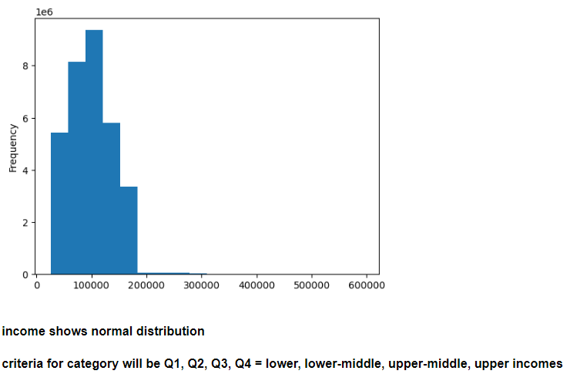
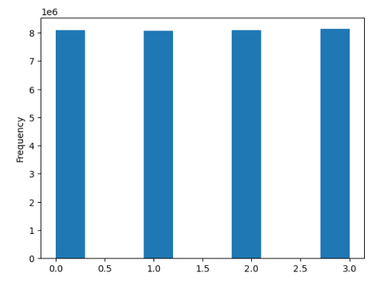
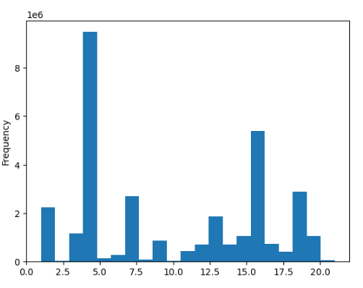

Meat non consuming customers

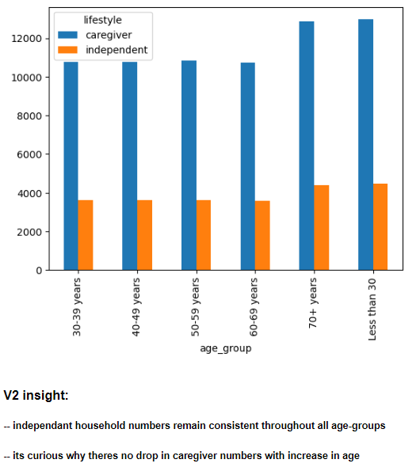
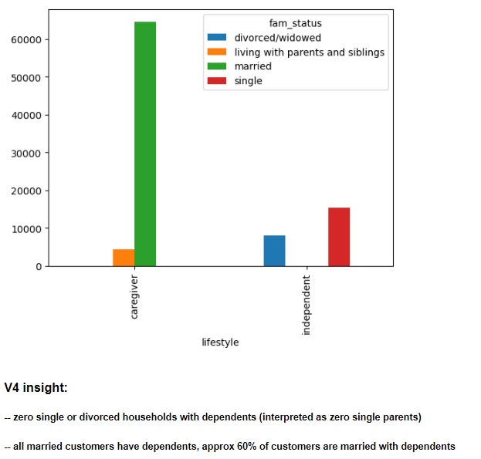
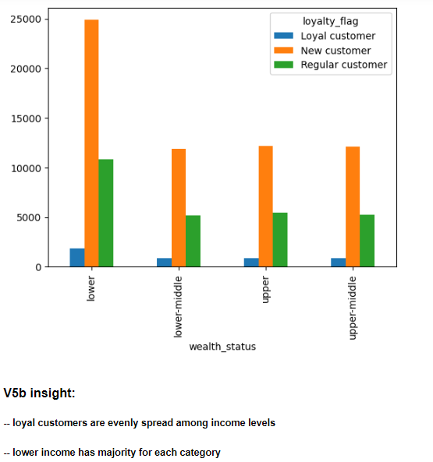
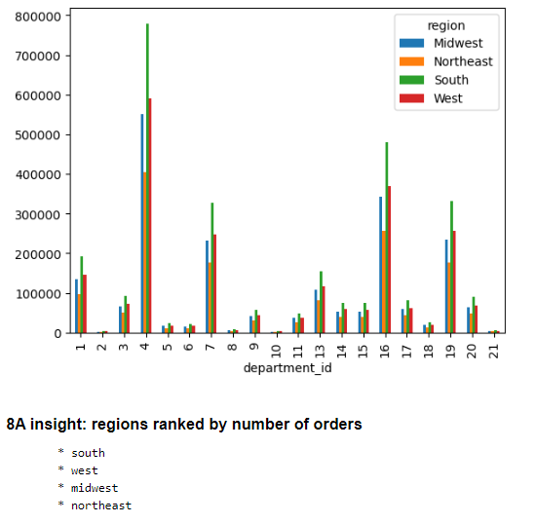
 | age group and wealth status | age group and lifestyle |  |  | age group and family status |  |  | lifestyle and family status |  | wealth and family status | wealth and loyalty | gender and loyalty | region and department
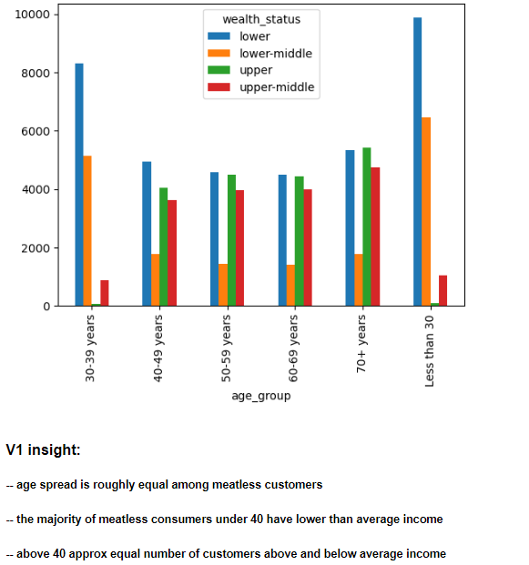
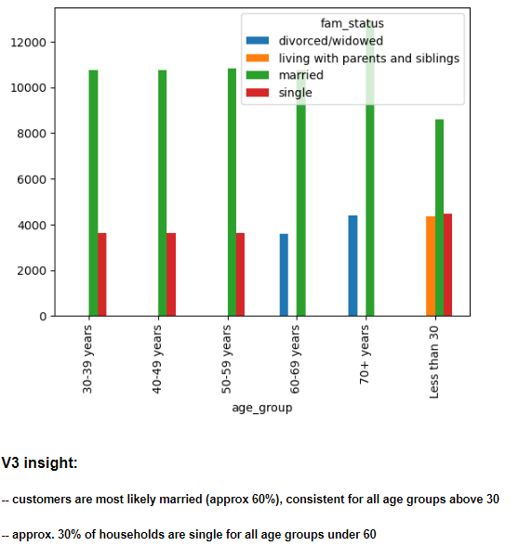
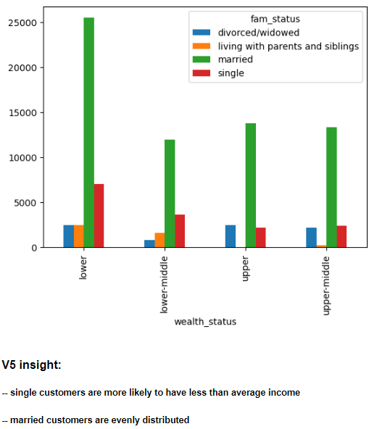
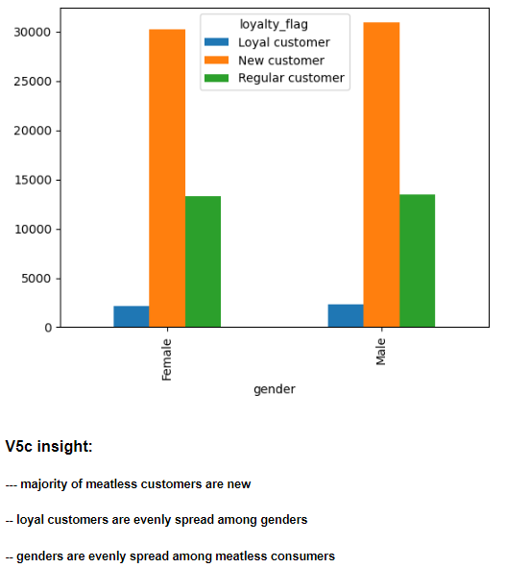

Meat consuming customer

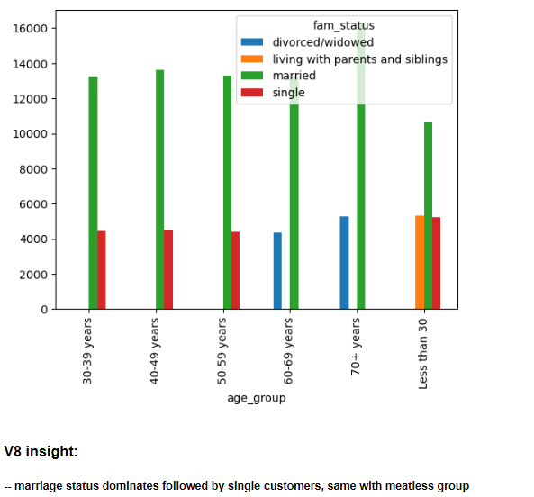
 | age group and weath status | age group and lifestyle |  |  | age group and family status |  |  | lifestyle and family status |  | wealth and family status | wealth and loyalty | gender and loyalty |  | region and department

7. Recommendations
 |  |  |  |  |  | Title page

Recommendations

In this tab you should include any recommendations you would made to Instcart in terms of their marketing strategy based on the questions posed in the brief. Every key question has been covered in the Tasks of the Exercises - here you need to add an item - a visualisation or table/crosstable that is showing the answer in the data, acompanied by a comment from you. Please, list the questions below and add the answer underneath.

Question | Answer
To optimize their scheduling strategy, the sales team requires information on the peak days of the week and hours of the day when customer orders are the highest. This knowledge will enable them to schedule advertisements during periods of lower order volumes. | * Instacart should consider targeting customers before and after standard business hours (9 AM - 5 PM) on weekdays, taking advantage of periods with potentially lower order volumes. * While weekends, specifically Saturdays and Sundays, exhibit the highest order volumes, the distribution of orders across weekdays is relatively balanced. * Instacart has identified a six-hour time range during the day as the peak period of customer activity, which interestingly coincides with traditional business operating hours.
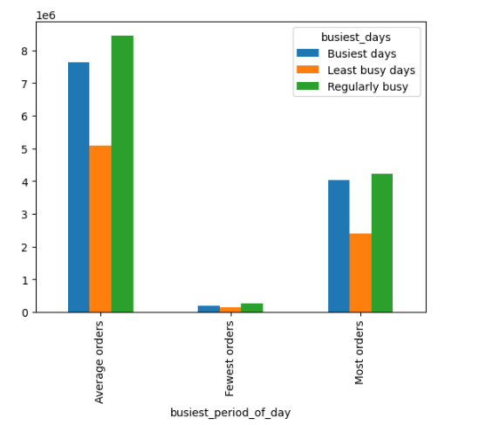 | Hours of the day: - The busiest hours for average order volumes are from 5 AM to 10 AM and from 4 PM to 12 PM, representing 48% of the orders. - The majority of orders, accounting for 50%, occur between 10 PM and 4 PM. - The time period with the fewest orders comprises only 2% of the total. Days of the Week: - Approximately 40% of the days are consistently busy. - The busiest days, Saturday and Sunday, account for 37% of the total orders. - The least busy days are Tuesday and Wednesday, representing 23% of the orders.
Question | Answer
Additionally, the sales team is interested in identifying specific times of the day when customers tend to spend the most money. This information can help guide their advertising strategy by targeting products that align with these peak spending periods. | * Analysis of the data reveals a strong correlation between pricing and the early morning hours, specifically before the typical commute times. * Based on this finding, strategically targeting advertisements during the morning hours may prove effective in attracting new customers who are interested in purchasing high-priced items.

Question | Answer

Instacart offers a wide range of products with varying price tags. In order to streamline their marketing and sales efforts, the team intends to implement simplified price range groupings. This approach will enable them to effectively target their strategies and resources. | To enhance the pricing structure and improve the customer experience, Instacart has implemented three distinct pricing categories. These categories provide a simplified view of product prices and aid in marketing and sales efforts. On average, customers tend to purchase items that fall within the under $10 price range. However, it is worth noting that during the data wrangling process, errors in the price range were identified and properly documented for further analysis and resolution.

In order to enhance the inventory management and customer shopping experience, Instacart has introduced new price tags with a spread of inventory. The maximum price for these tags is set at $25. The price range categories are as follows: 1. Low-range: Products priced from $0 to $5 2. Mid-range: Products priced from $5 to $15 3. High-range: Products priced at $15 or higher These price tags provide a simplified and clear categorization of product prices, allowing customers to easily navigate and make informed purchasing decisions.

Question | Answer
Are there certain types of products that are more popular than others? The marketing and sales teams want to know which departments have the highest frequency of product orders. | The produce department has the most activity clearly surpasing the demand for second popular department dairy.
 | 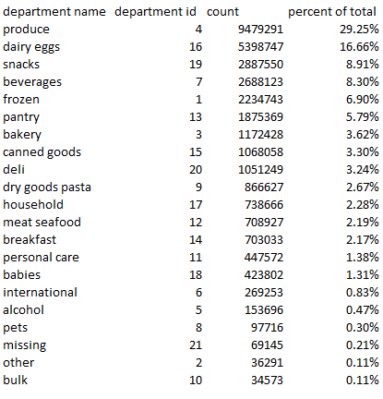

Question | Answer
The marketing and sales teams are interested in understanding the popularity of different product types and determining which departments experience the highest frequency of product orders. | * Regardless of wealth status or gender, meat purchasing customers exhibit a higher level of loyalty compared to meatless customers. * It is important to note that meatless customers are more likely to be new customers, with fewer than 10 orders. This presents an opportunity to monitor their behavior for potential changes over time.
Meat purchasing consumers |  | Meatless purchasing consumers |  |  | Loyalty spread of all customers

Question | Answer

Do customers' ordering habits vary based on their loyalty status? Are there variations in ordering habits based on the customers' region? | * The analyzed profiles, including meat purchasing, non-meat purchasing, and regional, exhibit minimal variation in preferences. * Customers consistently prioritize the produce and dairy/egg departments when placing orders. * It is advisable to investigate further to determine if the quality of produce from Instacart contributes to this trend.

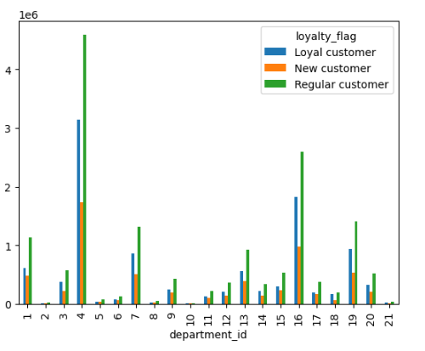

Question | Answer
Is there a correlation between a customer's age and their family status in relation to their ordering habits? | * Across all customer profiles, there is a consistent preference for departments such as produce and dairy, indicating their popularity. * The ordering habits of customers do not show a significant variation based on age, family status, or the number of dependents. * However, it is worth noting that meat purchasing households tend to have a higher income level compared to meatless households.
 |  |  | meatless customer | meat purchasing customer
 | 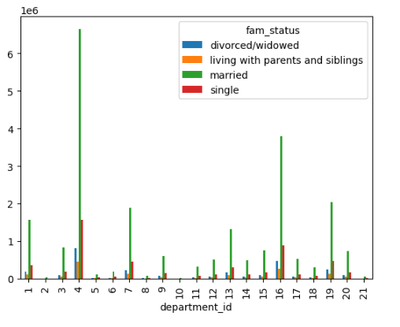
Question | Answer
What are the various classifications suggested by the demographic information? Does it indicate differences in age, income, types of goods, or family status? | * Around 60% of Instacart customers are married with dependents, and among them, meat-consuming households are more likely to have a higher income status. * Single and divorced households, on the other hand, do not have any dependents.
meatless consumers | meat purchasing customers |  | All married customers have dependents

Question | Answer
What disparities exist in the ordering behaviors of various customer profiles? Take into account factors such as the order price, order frequency, the specific products customers are purchasing, and any other relevant aspects that come to mind. | * The meat purchasing profile exhibited a notable presence of divorced customers who belonged to the above-average wealth status. * Divorced customers were primarily concentrated in the age group of 60 and above. * The meatless customer profile consisted of a considerable proportion of lower-income families.

meatless consumer | meat consumer

